Correlation Analysis
Which attributes seem to be correlated? Which attributes seem to be most linked to the class attribute?
Attribute 1 | Attribute 2 | Correlated? | P-Value (Signficance Level of 0.05) | R Value - Correlation Coefficient (Between Numerical & Numerical) | Eta-Squared Value (Between Categorical & Numerical) | Phi Coefficient/Cramer's V (Between Categorical & Categorical) | Level of Relationship | = | Categorical
Default | CLASS ATTRIBUTE - Subscribed – Whether client has subscribed or not | No | 0.9302 |  |  | 0.0013 (Both) | Weak | = | Numerical
Housing | Campaign | No | 0.8102 |  | 0.000013 |  | Weak
R Value - Correlation Coefficient (Between Numerical & Numerical)
r=1: Perfect positive correlation
0.7≤r<1: Strong correlation
0.3≤r<0.7: Moderate correlation
0≤r<0.3: Weak correlation
r=0: No correlation
-0.3<r<0: Weak negative correlation
-0.3≤r<-0.7: Moderate negative correlation
-0.7≤r<-1: Strong negative correlation
r=-1: Perfect negative correlation
Balance | Campaign | No | 0.5025 | -0.00998 |  |  | Weak
Day (Day of month contact was made) | CLASS ATTRIBUTE - Subscribed – Whether client has subscribed or not | No | 0.4497 |  | 0.0001 |  | Weak
Loan | Campaign | No | 0.2498 |  | 0.000293 |  | Weak
Balance | CLASS ATTRIBUTE - Subscribed – Whether client has subscribed or not | No | 0.2287 |  | -0.0705 |  | Weak
Housing | Loan | No | 0.2148 |  |  | 0.0185 | Moderate
Loan | Previous | No | 0.1371 |  | 0.000489 |  | Weak
Day (Day of month contact was made) | Duration (Duration of last contact in second) | No | 0.0979 | -0.0246 |  |  | Weak -'ve
Balance | Previous | No | 0.0782 | 0.0262 |  |  | Weak
Housing | CLASS ATTRIBUTE - Subscribed – Whether client has subscribed or not | Yes | <0.0001 <0.0001 |  |  | -0.1047 | Weak
Loan | Balance | Yes | <0.0001 |  | 0.005091 |  | Weak
Previous | Campaign | Yes | <0.0001 | -0.06783 |  |  | Weak
Loan | CLASS ATTRIBUTE - Subscribed – Whether client has subscribed or not | Yes | <0.0001 |  |  | -0.0705 | Weak
Campaign | CLASS ATTRIBUTE - Subscribed – Whether client has subscribed or not | Yes | <0.0001 |  | 0.003739 |  | Weak
Previous | CLASS ATTRIBUTE - Subscribed – Whether client has subscribed or not | Yes | <0.0001 |  | 0.013622 |  | Weak
Job (Type of Job) | CLASS ATTRIBUTE - Subscribed – Whether client has subscribed or not | Yes | <0.0001 |  |  | Phi Coefficient (0.1235) indicates moderate association Cramer's V (0.1226) indicates moderate association | Moderate
Marital (Marital status) | CLASS ATTRIBUTE - Subscribed – Whether client has subscribed or not | Yes | <0.0001 |  |  | 0.0649 (Both) | Weak
Day (Day of month contact was made) | Campaign (Number of contacts performed during this campaign for the client) | Yes | <.0001 | 0.1607 |  |  | Weak
Duration (Duration of last contact in second) | Campaign (Number of contacts performed during this campaign for the client) | Yes | <.0001 | -0.0684 |  |  | Weak -'ve
Poutcome (Outcome of Previous Marketing Campaign) | CLASS ATTRIBUTE - Subscribed – Whether client has subscribed or not | Yes | <.0001 |  |  | 0.2925 (Both) | Moderate
Eta-Squared Value (n^2) (Between Categorical & Numerical)
For Categorical and Numeric Relationships: If you're examining the relationship between a categorical variable (like class attribute) and a numeric attribute, typically eta-squared is more appropriate. It specifically measures how much of the variance in the numeric attribute is explained by the categorical variable.
n^2 = Type III SS / Corrected Total SS
Generally, N^2 ≥ 0.14 indicates a strong correlation.
0.06 ≤ N^2 ≤ 0.14 indicates a moderate correlation.
N^2 < 0.06 indicates a weak correlation.
Previous (Previous Contacts) | Pdays (Duration Since Last Contact) | Yes | <.0001 | 0.5776 |  |  | Moderate
Poutcome (Outcome of Previous Marketing Campaign) | Pdays (Duration Since Last Contact) | Yes | <.0001 |  | 0.77% |  | Strong
Poutcome (Outcome of Previous Marketing Campaign) | Previous (Previous Contacts) | Yes | <.0001 |  | 0.47% |  | Strong
Month (Month contact was made) | Campaign (Number of contacts performed during this campaign for the client) | Yes | <.0001 |  | 0.06% |  | Moderate
Poutcome (Outcome of Previous Marketing Campaign) | Campaign (Number of contacts performed during this campaign for the client) | Yes | <.0001 |  | 0.01% |  | Weak
Month (Month contact was made) | CLASS ATTRIBUTE - Subscribed – Whether client has subscribed or not | Yes | <.0001 |  |  | 0.2354 (Both) | Moderate
Poutcome (Outcome of Previous Marketing Campaign) | CLASS ATTRIBUTE - Subscribed – Whether client has subscribed or not | Yes | <.0001 |  |  | 0.2925(Both) | Moderate
Previous (Previous Contacts) | CLASS ATTRIBUTE - Subscribed – Whether client has subscribed or not | Yes | <.0001 |  | 0.014 |  | Weak
Pdays (Duration Since Last Contact) | CLASS ATTRIBUTE - Subscribed – Whether client has subscribed or not | Yes | <.0001 |  | 0.011 |  | Weak
Duration (Duration of last contact in second) | CLASS ATTRIBUTE - Subscribed – Whether client has subscribed or not | Yes | <.0001 |  | 0.161 |  | Strong
Campaign (Number of contacts performed during this campaign for the client) | CLASS ATTRIBUTE - Subscribed – Whether client has subscribed or not | Yes | <.0001 |  | 0.004 |  | Weak
Month (Month contact was made) | Day (Day of month contact was made) | Yes | <.0001 |  | 0.20% |  | Strong
Poutcome (Outcome of Previous Marketing Campaign) | Day (Day of month contact was made) | Yes | <.0001 |  | 0.006% |  | Weak
Month (Month contact was made) | Poutcome (Outcome of Previous Marketing Campaign) | Yes | <.0001 |  |  | Phi Coefficient (0.3918) indicates a strong association. Cramer's V (0.2262) indicates a moderate association. | Moderate to Strong
Month (Month contact was made) | Duration (Duration of last contact in second) | Yes | 0.0225 |  | 0.005% |  | Weak
Housing | Previous | Yes | 0.0094 |  | 0.001492 |  | Weak
Poutcome (Outcome of Previous Marketing Campaign) | Duration (Duration of last contact in second) | Yes | 0.0081 |  | 0.003% |  | Weak
Age (Age of the Customer) | CLASS ATTRIBUTE - Subscribed – Whether client has subscribed or not | Yes | 0.0024 |  | 0.002033 |  | Weak
Education (Education of customer) | CLASS ATTRIBUTE - Subscribed – Whether client has subscribed or not | Yes | 0.0016 |  |  | 0.0581 (Both) | Weak
Housing | Balance | Yes | 0.0007 |  | 0.002523 |  | Weak

Phi Coefficient/Cramer's V (Between Categorical & Categorical)
-Weak Association:
Phi Coefficient (φ) or Cramer's V (V) close to 0.
>Typically, values less than 0.1 indicate a weak association.
-Moderate Association:
Phi Coefficient (φ) or Cramer's V (V) around 0.3.
>Values between approximately 0.1 and 0.3 suggest a moderate association.
-Strong Association:
Phi Coefficient (φ) or Cramer's V (V) between 0.31 and 0.5.
>Values between 0.31 and 0.5 indicate a strong association.
-Very Strong Association:
Phi Coefficient (φ) or Cramer's V (V) closer to 0.5 or higher.
>Values greater than 0.5 indicate a very strong association.

Class Attribute - Distribution
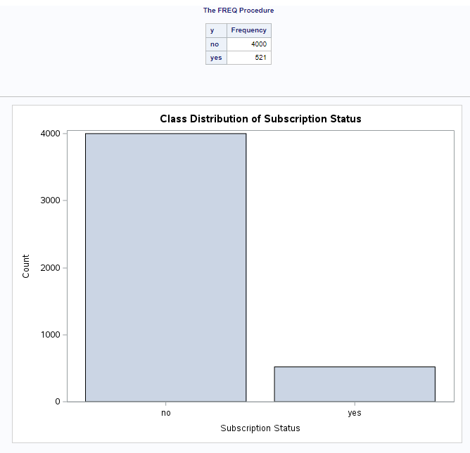
Determine whether the dataset has an imbalanced class distribution (same proportion of records of different types or not) and do you need to balance the dataset.
Yes, The dataset indeed has an imbalanced class distribution, with 4000 "no" records and 521 "yes" records.

